Sheet1
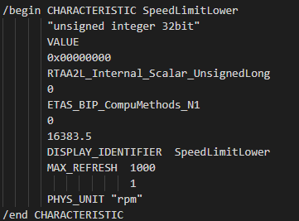
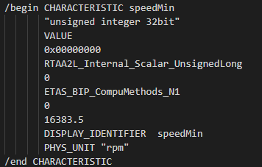
Application SWC |  |  | Parameter SWC
R-Port |  |  | P-Port |  | Parameter Interface |  |  | Application Data Type
InternalBehavior: Runnable |  |  |  | ParameterProvideComSpec: speedMin | Parameter: speedMin |  |  | Category: Value
 | ParameterAccess |  |  | ApplicationValueSpec:VALUE |  | SwDataDefProps |  | SwDataDefProps
PerInstanceParameter: SpeedLimitUpper |  |  |  | SwValueCont: Unit |  |  | SwCalibrationAccess: READ-WRITE |  | SwCalibrationAccess: NOT-ACCESSIBLE
Category: VALUE |  |  |  | SwValues: Vs:1000 |  |  | SwImplPolicy: STANDARD |  | SwIntendedResolution: 0.5
Type: ADT |  |  |  |  |  |  | SwAddrmethod: CALIB |  | CompuMethod: N1
 | ApplicationValueSpec:VALUE |  |  |  |  |  |  |  | DataConstr: N1
 |  | SwValueCont: Unit
 |  | SwValues: Vs:4500
 | SwDataDefProps
 |  | SwCalibrationAccess: READ-WRITE
 |  | SwImplPolicy: STANDARD
 |  | SwAddrmethod: CALIB
SharedParameter: SpeedLimitLower
Category: VALUE
Type: ADT
 | ApplicationValueSpec:VALUE
 |  | SwValueCont: Unit
 |  | SwValues: Vs:3000
 | SwDataDefProps
 |  | SwCalibrationAccess: READ-WRITE
 |  | SwImplPolicy: STANDARD
 |  | SwAddrmethod: CALIB

ComputeMethod transfered initial value of ADT to IDT

